core business flow
Sl. No. | Test Case ID | Objective | Pre-Requisite | Steps | Data | Expected Result | Actual Result | Proof | Status
1 | regression_coreflow_001 | To verify and validate the signup icon/button is available on Signup/Login page | E-Commerce Web Application | Step 1: Click on the web application link Step 2: Open it on the google chrome search engine Step 3: Check on the signup icon/button | Browser: chrome, edge, Firefox URL: https://www.automationexercise.com/login Signup icon | Signup icon should be present on Signup/Login page | Working as expected |  | PASS
2 | regression_coreflow_002 | To verify and validate login icon with valid Email Address and valid password on Signup/Login page | E-Commerce Web Application | Step 1: Click on the web application link Step 2: Open it on the browser Step 3: Enter the valid email address in the email address text box Step 4: Enter the valid password in the password text box Step 5: Click the login button | Browser: chrome, edge, Firefox URL: https://www.automationexercise.com/login Email Address: murugamanickam36@gmail.com Password: Hello@123 | User should be able to login | Working as expected | 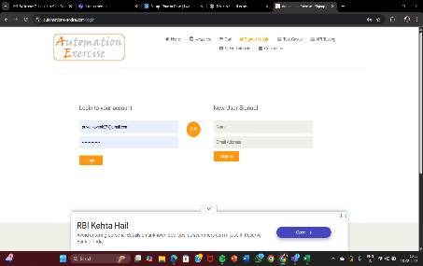 | PASS
3 | regression_coreflow_003 | To verify login with valid credentials | Valid user account exists | 1. Click Login 2. Enter valid email & password 3. Click Submit | Email: valid@test.comPassword: Valid123 | User should be logged in successfully and redirected to home page | Working as expected |  | PASS
4 | regression_coreflow_004 | To verify login with invalid credentials | login page loaded | 1. Click Login 2. Enter invalid email & password 3. Click Submit | Email: invalid@test.comPassword: Wrong123 | Error message “Invalid username or password” should appear | Working as expected | 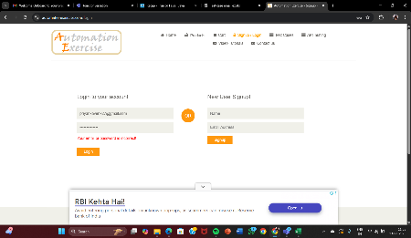 | PASS
5 | regression_coreflow_005 | To verify login with blank fields | login page loaded | 1. Click Login 2. Keep email & password blank 3. Click Submit | N/A | Validation message should appear . | Working as expected | 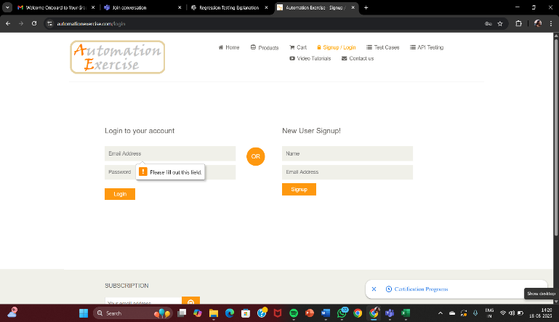 | PASS
6 | regression_coreflow_006 | To verify and validate that the 'ACCOUNT CREATED!' confirmation message is visible | stable E commerce application | Complete the signup process. | creation successful message | The user should be able to view the account created message | Working as expected | 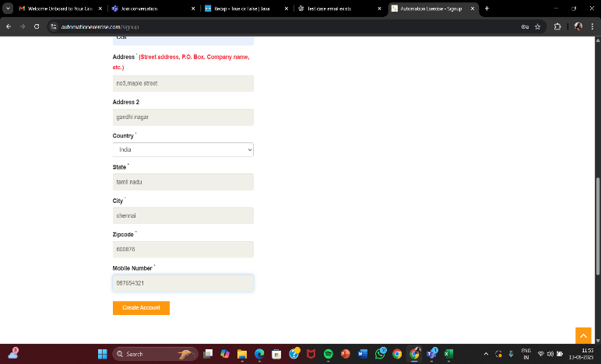 | Pass
7 | regression_coreflow_007 | To verify and validate that 'Logged in as username' is displayed | stable E commerce application | 1. Observe the top navigation bar after creating the account | username text | The user should be able to view Logged in username text | Working as expected | 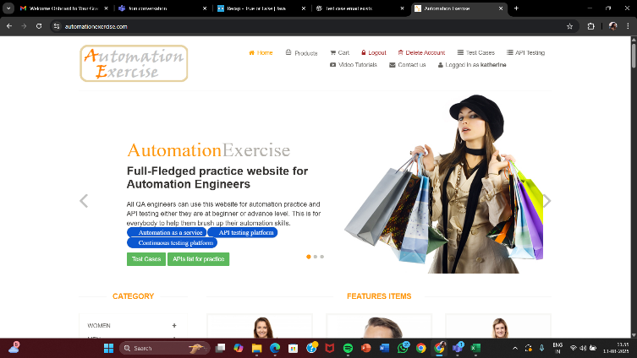 | Pass
8 | regression_coreflow_008 | To verify and validate products list is visible | ALL PRODUCTS page loaded | 1. Scroll through page 2. To verify and validate product cards are displayed | Expected: Product images, names, prices | Product list should be displayed without errors | Working as expected | 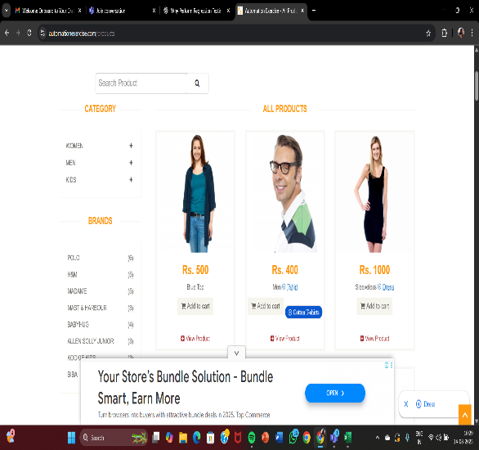 | pass
9 | regression_coreflow_009 | To Verify and validate ‘SEARCHED PRODUCTS’ heading is visible | Search results page loaded | 1. Check for heading "SEARCHED PRODUCTS" | heading text | Heading should be displayed correctly | Working as expected | 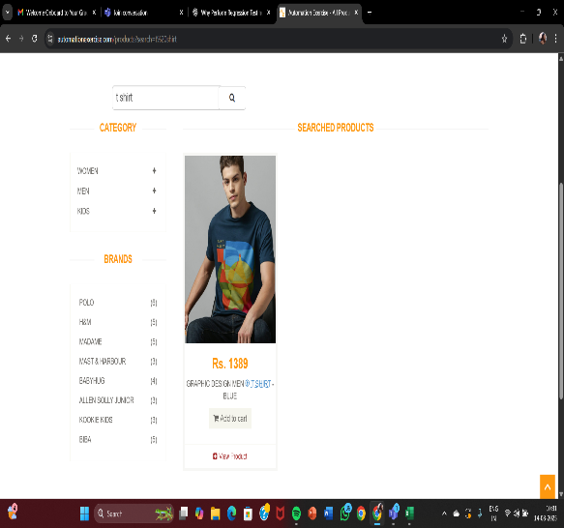 | pass
10 | regression_coreflow_010 | To verify and validate the checkout breadcrumb navigation icon/button is working on the cart page | https://www.automationexercise.com/ | Step 1: Click on the web application link Step 2: Open it on the browser Step 3: Click on the checkout breadrumb navigation icon Step 4: Stays in current cart page | Browser: chrome, edge, firefox URL: https://www.automationexercise.com Checkout breadrumb navigation icon | Checkout breadrumb navigation icon should be working on the cart page | Working as expected | 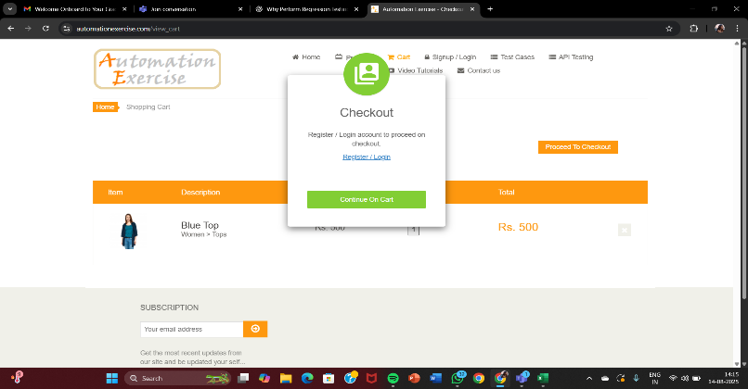 | pass
11 | regression_coreflow_011 | To verify user logout functionality | User must be logged in | 1. Login with valid credentials 2. Click on Logout button | N/A | User should be logged out and redirected to login page | working as expected | 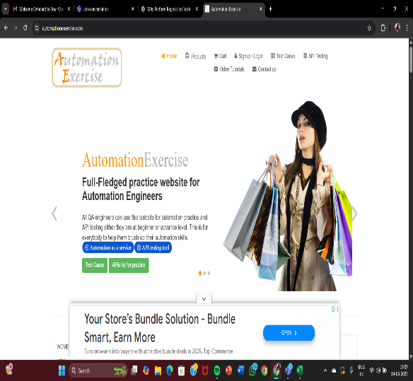 | pass
12 | regression_coreflow_012 | To verify product can be added to cart | User must be logged in | 1. Browse products 2. Select a product 3. Click “Add to Cart” | Product details | Product should be added to cart successfully | working as expected | 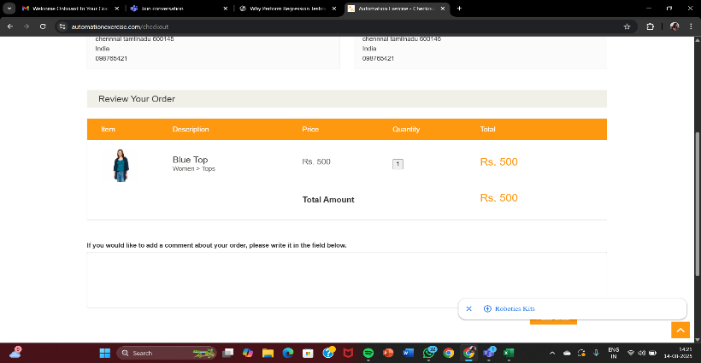 | pass

endtoend
Sl. No. | Test Case ID | Objective | Pre-Requisite | Steps | Data | Expected Result | Actual Result | Proof | Status
1 | regression_e2e_001 | To verify and validate new user can signup, login, and logout successfully | E-Commerce Application is stable | 1. Launch the application 2. Click Signup 3. Enter details & submit 4. Verify “ACCOUNT CREATED” message 5. Login with same credentials 6. Logout | Signup details, valid credentials | User should be able to create an account, login, and logout successfully | Working as expected |  | PASS
2 | regression_e2e_002 | To verify and validate user can search and view products | User must be logged in | 1. Login 2. Go to “Products” 3. Enter product name in search 4. Verify “SEARCHED PRODUCTS” heading and results | Product name (e.g. “Dress”) | Relevant products should be displayed under search results | Working as expected |  | PASS
3 | regression_e2e_003 | To verify and validate user can add a product to cart and view it | User must be logged in | 1. Login 2. Search product 3. Click “Add to Cart” 4. Go to Cart 5. Verify product details in cart | Product details (name, qty, price) | Product should be added to cart and visible in cart page | Working as expected | 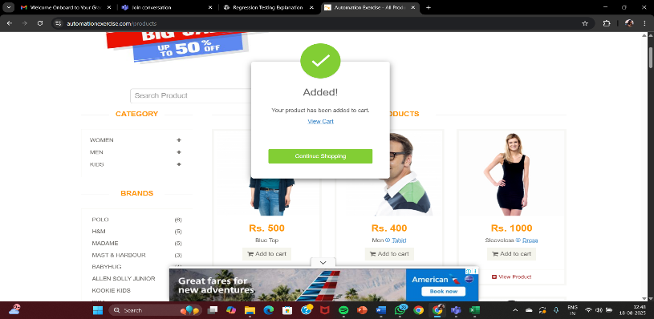 | PASS
4 | regression_e2e_004 | To verify and validate user can proceed from cart to checkout | User must have items in cart | 1. Login 2. Add product to cart 3. Navigate to Cart 4. Click “Proceed to Checkout” 5. Verify checkout page opens | Cart with products | Checkout page should open with order summary | Working as expected | 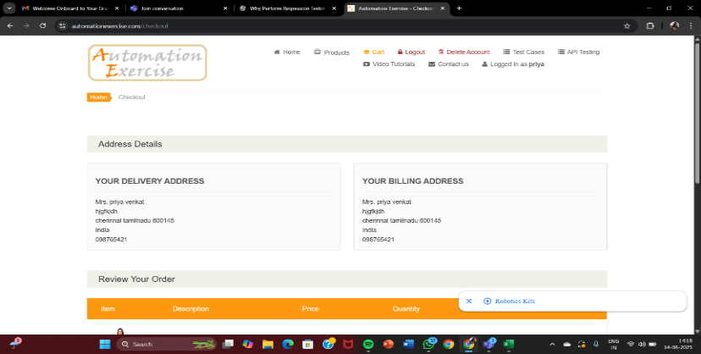 | PASS
5 | regression_e2e_005 | To verify and validate user can complete an order (place order flow) | User must be logged in with items in cart | 1. Login 2. Add product to cart 3. Proceed to Checkout 4. Enter address/payment details 5. Confirm order 6. Verify order confirmation | Payment details, address | Order should be placed and confirmation displayed | Working as expected | 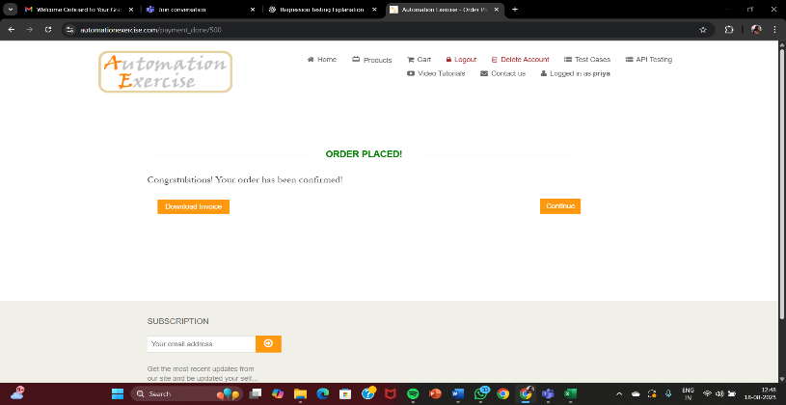 | PASS

frequently used features
Sl. No. | Test Case ID | Objective | Pre-Requisite | Steps | Data | Expected Result | Actual Result | Proof | Status
1 | regression_fuf_001 | To verify and validate search functionality with valid product name | E-commerce application up and running | 1. Go to search bar 2. Enter valid product name (e.g. “Dress”) 3. Click Search | Product name = "Dress" | Relevant products should be displayed | Working as expected | 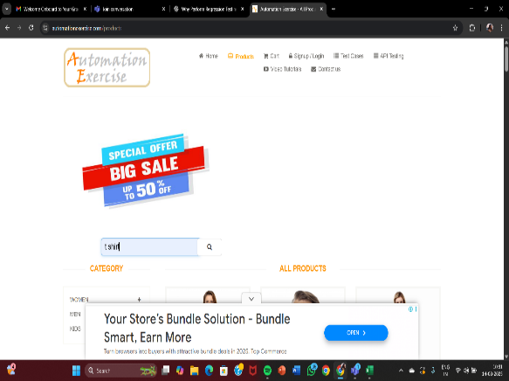 | PASS
2 | regression_fuf_002 | To verify and validate search functionality with invalid product name | E-commerce application up and running | 1. Go to search bar 2. Enter random invalid string (e.g. “xyz123”) 3. Click Search | Product name = "xyz123" | “No products found” message should be displayed | Working as expected | 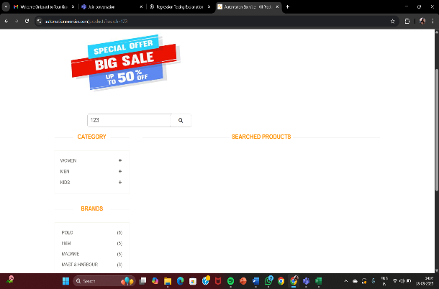 | PASS
3 | regression_fuf_003 | To verify and validate product details page loads correctly | Product list visible | 1. Select a product 2. Click on product image/name | Product ID | Product details page should load with name, price, image | Working as expected | 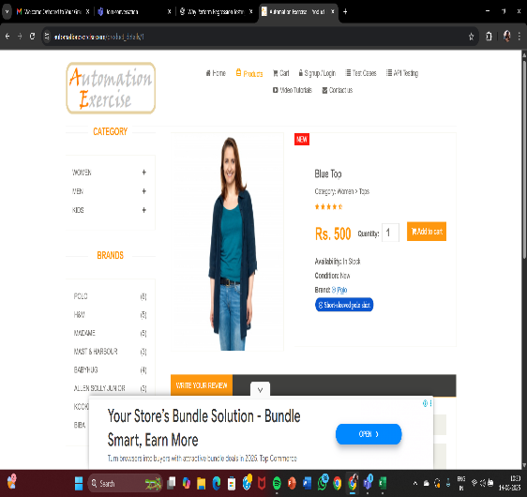 | PASS
4 | regression_fuf_004 | To verify and validate add to cart functionality from product list | Product list visible | 1. From product list, click “Add to Cart” on a product | Product ID | Product should be added to cart | Working as expected |  | PASS
5 | regression_fuf_005 | To verify and validate update quantity in cart | Cart must have a product | 1. Go to Cart 2. Change quantity from 1 → 3 | Qty = 3 | Total price should update accordingly | not Working as expected |  | FAIL
6 | regression_fuf_006 | To verify and validate remove item from cart | Cart must have a product | 1. Go to Cart 2. Click Remove/Delete on product | Product ID | Product should be removed from cart | Working as expected | 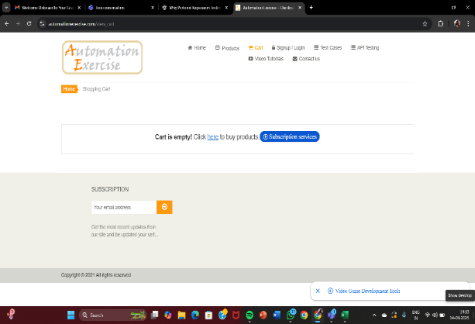 | PASS
8 | regression_fuf_008 | To verify and validate checkout button is working | Cart must have products | 1. Add products to cart 2. Click on Checkout | Product details | User should be redirected to checkout page | Working as expected |  | PASS
9 | regression_fuf_009 | To verify and validate “Continue Shopping” from cart works | Cart must have a product | 1. Go to cart 2. Click “Continue Shopping” | N/A | User should be redirected to product listing page | Working as expected | 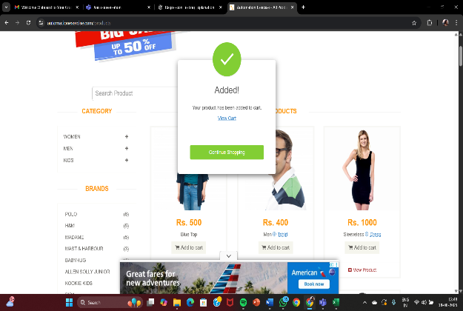 | PASS
10 | regression_fuf_010 | To verify and validate login with valid credentials | Valid user account exists | 1. Click Login 2. Enter valid email & password 3. Click Submit | Email: valid@test.comPassword: Valid123 | User should be logged in successfully and redirected to home page | Working as expected |  | PASS
11 | regression_fuf_011 | To verify and validate login with invalid credentials | login page loaded | 1. Click Login 2. Enter invalid email & password 3. Click Submit | Email: invalid@test.comPassword: Wrong123 | Error message “Invalid username or password” should appear | Working as expected |  | PASS
12 | regression_fuf_012 | To verify and validate login with blank fields | login page loaded | 1. Click Login 2. Keep email & password blank 3. Click Submit | N/A | Validation message should appear . | Working as expected |  | PASS
13 | regression_fuf_013 | To verify and validate logout functionality | User should be logged in | 1. Login 2. Click Logout button/link | logout button | User should be logged out and redirected to home/login page | Working as expected |  | PASS

impact
Sl. No. | Test Case ID | Objective | Pre-Requisite | Steps | Data | Expected Result | Actual Result | Proof | Status
1 | regression_impact_001 | To verify and validate home page loads successfully | Stable application | 1. Launch browser2. Navigate to home URL | URL: https://www.automationexercise.com | Homepage should load without errors | Working as expected | 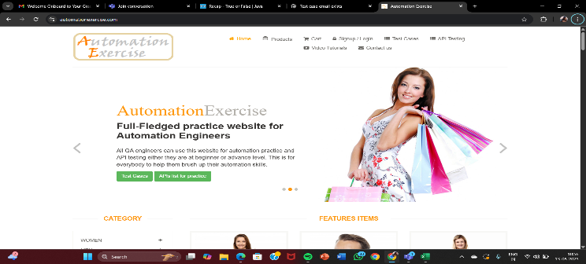 | PASS
2 | regression_impact_002 | To verify and validate navigation menu links work properly | Homepage loaded | 1. Click each menu link (Products, Cart, Signup, Contact Us, etc.) | navigation buttons | Each link should navigate to correct page | Working as expected | 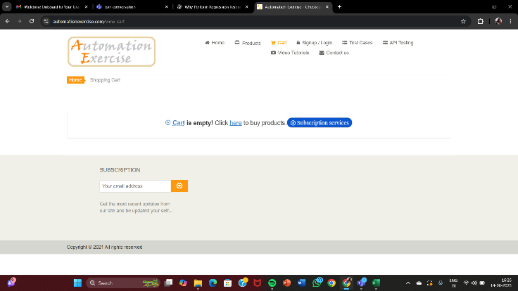 | PASS
3 | regression_impact_003 | To verify and validate product search functionality is accessible from homepage | Homepage loaded | 1. Enter product name in search bar 2. Click search button | Product name = "Dress" | Relevant products should display | Working as expected | 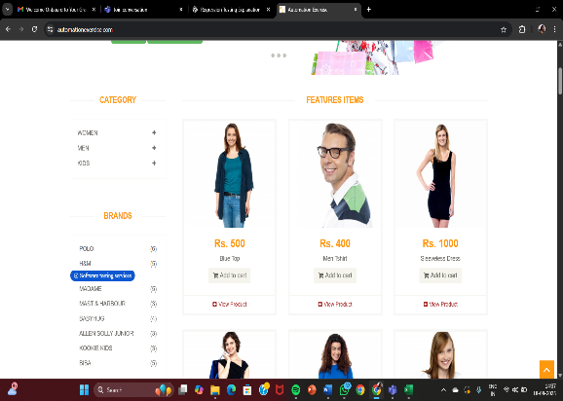 | FAIL
4 | regression_impact_004 | To verify and validate footer (copyright) visibility | Homepage loaded | 1. Scroll to footer 2. Ccheck copyright info | N/A | Footer should display copyright info | Working as expected | 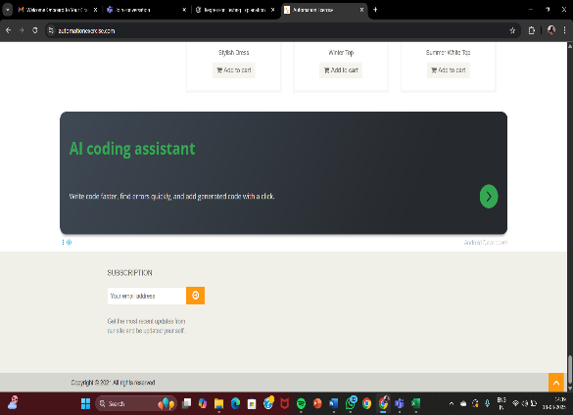 | PASS
5 | regression_impact_005 | To verify and validate "Contact Us" form submission | Contact Us page loaded | 1. Fill Name, Email, Subject, Message 2. Submit form | Name, Email, Message | Success message should be displayed | Working as expected | 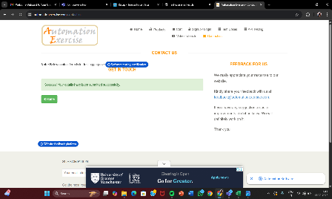 | PASS
6 | regression_impact_006 | To verify and validate "Subscription" feature in footer | Homepage loaded | 1. Enter email in subscription field 2. Click subscribe | Valid email ID | Success message should appear | Working as expected | 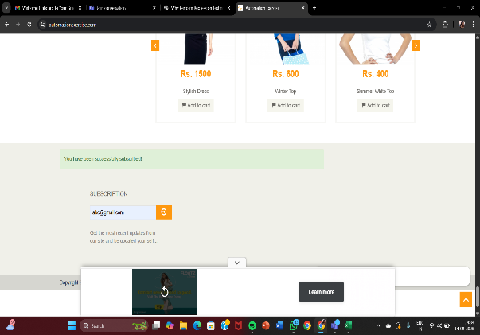 | PASS
7 | regression_impact_007 | To verify and validate banner/slider is visible and functional | Homepage loaded | 1. Observe slider 2. Click next/previous | next,previous arrow | Slider should work smoothly | Working as expected |  | PASS
8 | regression_impact_008 | To verify and validate product category filters are functional | Product page loaded | 1. Select categories (Men, Women, Kids) 2. View filtered products | cetagory | Products should filter correctly | Working as expected |  | PASS
9 | regression_impact_009 | To verify and validate brand filter functionality | Product page loaded | 1. Select a brand filter | Example: "Polo" | Only selected brand products should display | Working as expected | 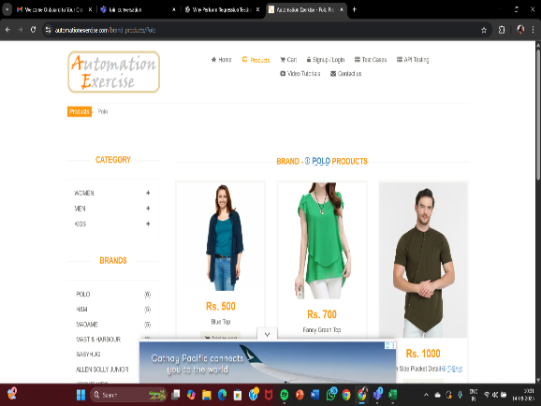 | PASS
10 | regression_impact_010 | To verify and validate cart page accessibility from homepage | Homepage loaded | 1. Click cart icon | Home page loaded | User should be redirected to cart page | Working as expected |  | PASS

high risk
Sl. No. | Test Case ID | Objective | Pre-Requisite | Steps | Data | Expected Result | Actual Result | Proof | Status
1 | regression_highrisk_001 | To verify and validate checkout process with valid payment | User must be logged in, cart should have product | 1. Add product to cart 2. Go to checkout 3. Enter valid address & payment 4. Place order | Valid payment details | Order should be placed successfully | Working as expected | 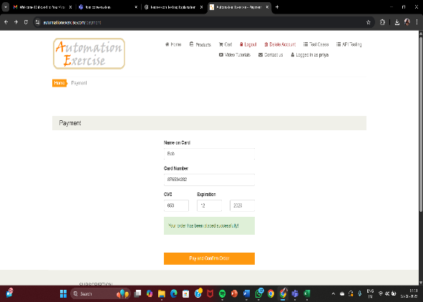 | PASS
2 | regression_highrisk_002 | To verify and validate home page loads successfully | Stable application | 1. Launch browser 2. Navigate to home URL | URL: https://www.automationexercise.com | Homepage should load without errors | Working as expected |  | PASS
3 | regression_highrisk_003 | To verify and validate payment gateway failure handling | User must be logged in, product in cart | 1. Add product 2. Checkout 3. Enter invalid payment details | Invalid card number | Error message should appear, no order created | Working as expected | 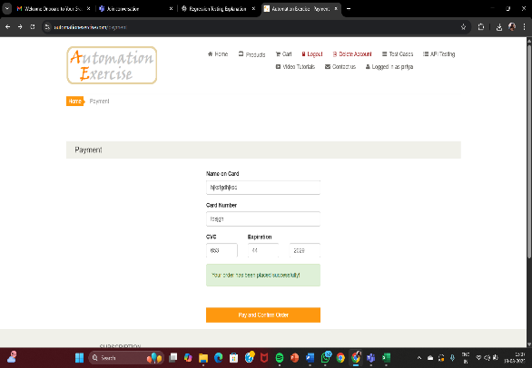 | FAIL
4 | regression_highrisk_004 | To verify and validate stock quantity update after placing order | Product with stock available | 1. Note current stock 2. Place order 3. Check product stock again | Product ID, qty = 1 | Stock should reduce by ordered quantity | Working as expected |  | FAIL
5 | regression_highrisk_005 | To verify and validate order confirmation message is displayed | Valid checkout flow | 1. Place an order 2. Observe confirmation screen | Order details | User should see success message “Order placed successfully” | Working as expected |  | PASS
6 | regression_highrisk_006 | To verify and validate invoice download feature after checkout | User must have completed order | 1. Place order 2. On confirmation page click “Download Invoice” | Order ID | PDF invoice should download successfully | Working as expected | 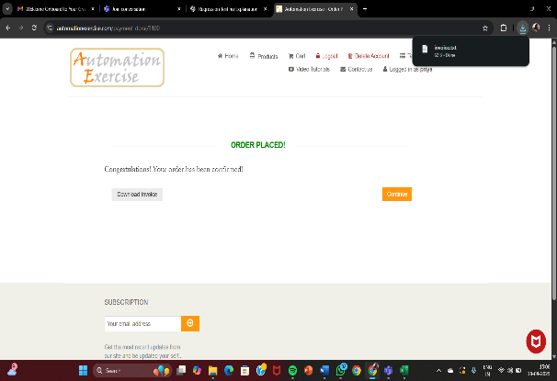 | PASS
7 | regression_highrisk_007 | To verify and validate product removal from cart before checkout | Cart should have products | 1. Add product 2. Click “Remove” in cart | Product ID | Product should be removed successfully from cart | Working as expected |  | PASS
8 | regression_highrisk_008 | To verify and validate address modification during checkout | User must be logged in | 1. Add product 2. Checkout 3. Edit shipping address | New address details | Updated address should reflect in checkout summary | Working as expected | 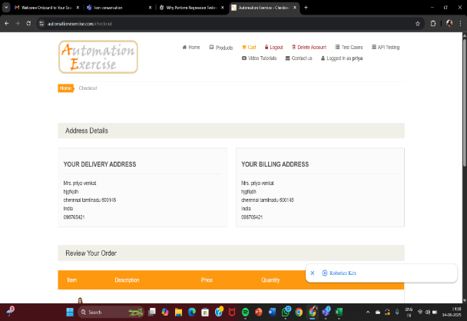 | PASS
9 | regression_highrisk_009 | To verify and validate multiple products checkout | Cart should have multiple products | 1. Add multiple products 2. Checkout 3. Place order | Product details | All products should be ordered successfully | Working as expected |  | PASS
10 | regression_highrisk_010 | To verify and validate coupon/discount code functionality | Valid coupon available | 1. Add product 2. Apply coupon code 3. Checkout | Coupon code = SAVE10 | Discount should apply correctly | Working as expected | 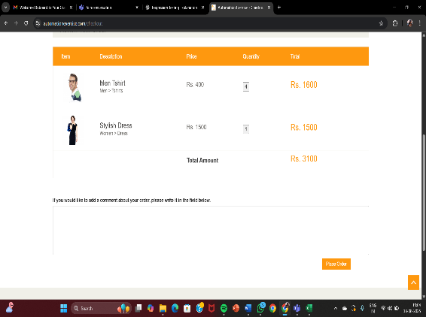 | FAIL
11 | regression_highrisk_011 | To verify and validate login and logout flow | User must have account | 1. Login with valid credentials 2. Click logout button | Email & Password | User should be logged out and redirected to login page | Working as expected |  | PASS

current business needs
Sl. No. | Test Case ID | Objective | Pre-Requisite | Steps | Data | Expected Result | Actual Result | proof | status
1 | regression_businessneed_001 | To verify and validate new user registration (signup) | E-Commerce Web Application | 1. Navigate to Signup/Login 2. Enter required details 3. Click Signup | User details | Account should be created successfully | Working as expected | 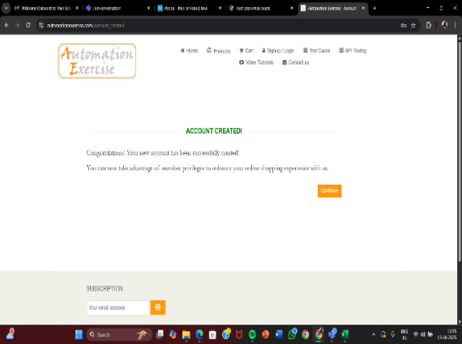 | pass
2 | regression_businessneed_002 | To verify and validate user login with valid credentials | User account must exist | 1. Open login page 2. Enter valid email & password 3. Click login | Email & password | User should login successfully | Working as expected |  | pass
3 | regression_businessneed_003 | To verify and validate product search functionality | Products available in DB | 1. Enter keyword in search box 2. Click search 3. Verify searched products list | Product keyword = "Tshirt" | Relevant products should be displayed | Working as expected |  | pass
4 | regression_businessneed_004 | To verify and validate add to cart functionality | User must be logged in | 1. Browse products 2. Select one 3. Click “Add to Cart” | Product details | Product should be added to cart | Working as expected | 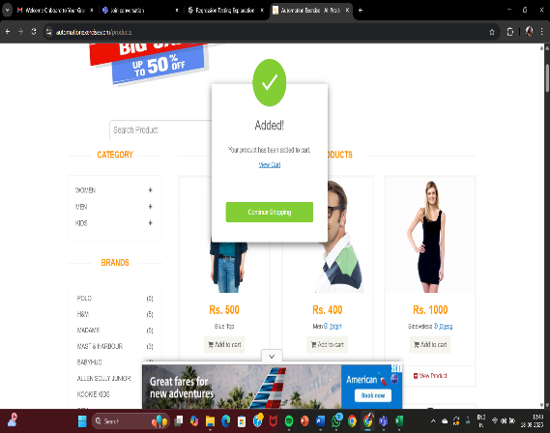 | pass
5 | regression_businessneed_005 | To verify and validate checkout flow with valid payment | Product should be in cart | 1. Proceed to checkout 2. Enter address & paymen 3. Place order | Valid payment details | Order should be placed successfully | Working as expected | 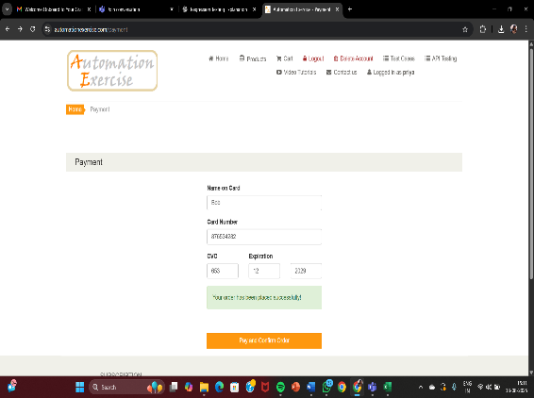 | pass
6 | regression_businessneed_006 | To verify and validate subscription functionality in footer | Stable application | 1. Scroll to footer 2. Enter email in subscription field 3. Click submit | Email = testuser@gmail.com | Success message “You have been successfully subscribed!” should appear | Working as expected |  | pass
7 | regression_businessneed_007 | To verify and validate Contact Us form submission | E-Commerce web application | 1. Open Contact Us 2. Enter Name, Email, Subject, Message 3. Submit | Sample contact details | Success message should appear | Working as expected |  | pass
8 | regression_businessneed_008 | To verify and validate product details page loads correctly | Products available | 1. Click on any product 2. Verify product details (image, name, price, description) | Product ID | Product details should be displayed correctly | Working as expected |  | pass
9 | regression_businessneed_009 | To verify and validate invoice download after order placement | User must complete order | 1. Place order 2. Click “Download Invoice” | Order ID | Invoice should download in PDF format | Working as expected | 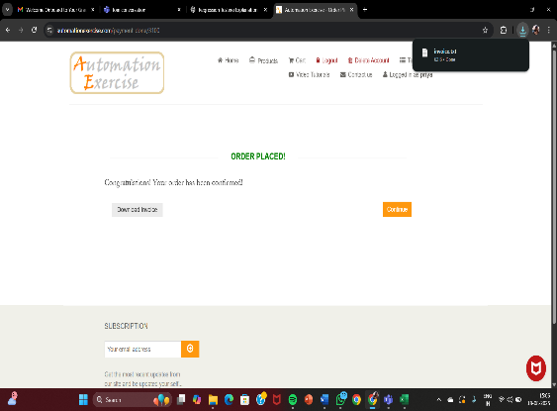 | pass
10 | regression_businessneed_010 | To verify and validate logout functionality | User must be logged in | 1. Login 2. Click logout | home page loaded | User should be logged out & redirected to login page | Working as expected |  | pass

